1. Title Page
Customer order analysis

Project Name: Customer Order Analysis
Date: 07/03/2023
Analyst Name: Chloe deBeus

Contents:
(2) Population Flow
(3) Consistency checks
(4) Wrangling steps
(5) Column derivations
(6) Visualizations
(7) Recommendations

Data Citation:
“The Instacart Online Grocery Shopping Dataset 2017”, Accessed from www.instacart.com/datasets/grocery-shopping-2017 via Kaggle on 6/16/2023.
NOTE: Customer and price data were fabricated for the purposes of this course and analysis. They are not connected to Instacart or any real customers.

2. Population Flow
Title page

Population flow

Exclusion flag
Condition: max_order <
Obervations to be removed:
Final total count of order_products_all:

Orders_products_combined
Orders_products_merged
Orders_products_all

Total: 32,404,859
Total: 32,640,698
Total: 12,538,942

1.) The grey boxes in the first row of the population flow represent the original data sets as they were when you downloaded them. In the Total fields you need to add the count of the rows when you imported the data set into Jupyter.
2.) The second row of boxes (coloured) represents the data sets after you manipulated them, e.g., removed missing values and duplicates. In the Total fields you need to add the count of the rows after conducting these operations. This offers a visual oveview of how the data flows throughout the data consistency checks.
3.) The third row, where also the arrows are coloured, represents the merges you performed between the datasets. In the Total fields you need to add the count of the rows in the merged datasets, so that you end up with the final dataset (in the red box). Keep in mind the final dataset should be without exclusions (based on the exclusion flag).

3. Consistency checks
 |  |  |  | Title page
Consistency checks

Dataset | Missing values | Missing values treatment | Duplicates
orders | 206,209 | create a new variable 'new_customer' to mark the moment when someone was a new customer and had not ordered before; | 0
products | 16 | deletion | 5
customers | 0 | NA | 0
orders_products_prior | 0 | NA | 0

4. Wrangling steps
 |  |  |  | Title page
Wrangling steps

Columns dropped | Columns renamed | Columns' type changed | Comment/Reason
 |  | ORDERS: user_id; order_id | Changed from int to object since they are not ran for stats reason
 |  | ORDER_PRODUCTS_MERGED: new_customer; days_since_prior_order; aisle_id; department_id | Change from high int level to low for space
 |  | ORDER_PRODUCTS_MERGED: user_id; age; income; dependents | Change from high int level to low for space
 |  | ORDER_PRODUCTS_MERGED: spending_mean; prices; order_frequency_media | Change from high float level to low for space
 | CUSTOMERS: STATE; surnam; n_dependants; First Name; Gender; Age |  | Deduced to all lowercase and ampersands in between works; fixed spelling errors
 | ORDERS: order_dow |  | expanded to full order_day_of_Week

5. Column derivations
 |  |  |  |  | Title page

Column derivations and aggregations

*items in bold derived new flag variables
Dataset | New column | Column/s it was derived from | Conditions | Frequencies
Orders_products_prior | new_customer | days_since_last_order | days_since_last_order = 0 | new customer: 930,124
 |  |  | days_since_last_order != 0 | returning customer:11,608,818

Orders_products_prior | busiest_day | orders_day_of_week | orders_day_of_week = 0 | Busiest day: 6,204,182
 |  |  | orders_day_of_week = 4 | Least busy: 3,783,802
 |  |  | orders_day_of_week = else | Regularly busy: 22,416,875

order_products_merged | busiest_days | orders_day_of_week | orders_day_of_week = 0 | 1 | Busiest days: 1,231,526
 |  |  | orders_day_of_week = 4 | 6 | Least busy days: 779,428
 |  |  | Else | Regularly busy days: 1,501,227

Orders_products_prior | busiest_period_of_day | order_time_of_day | order_time_of_day = 0, 1, 2, 3, 4, 5, 6, 23 | Fewest orders period: 1,289,137
 |  |  | order_time_of_day = 7, 8, 17, 18, 19, 20, 21, 22 | Average orders period: 9,997,651
 |  |  | Else | Most orders period: 21,118,071

orders_products_merged | price_category | prices | prices <= 5 | low-range product: 10,126,321
 |  |  | prices > 5 & <=15 | mid-range product: 21,860,860
 |  |  | prices >15 | high -range product: 417,678

orders_products_merged | max_order_count | order_number & user_id | To determine the max number of orders a given customer has

orders_products_merged | customer_loyalty | max_order_count | if max_order_count <= 40 & > 10 | Regular loyalty: 15,876,776
 |  |  | max_order_count > 40 | Loyal customer status: 10, 284,093
 |  |  | max_order_count <=10 | New customer status: 6,243,990

orders_products_merged | spending_mean | user_id & prices | mean prices purchased by each customer

orders_products_merged | spending_status | spending_mean | spending_mean < 10 | Low spender status: 31,770,614
 |  |  | spending_mean >= 10 | High spender status: 634,245

orders_products_merged | order_frequency_median | user_id & days_since_prior_order | how frequently a customer is ordering based on the median number of

orders_products_merged | frequency_status | order_frequency_median | order_frequency_median > 20 | frequent customer: 22,796,659
 |  |  | order_frequency_median >10 & <=20 | regular frequency customer: 6,921,472
 |  |  | order_frequency_median <= 10 | non-frequent customer: 2,686,728

orders_products_all | region | state |  | Northeast: 2,215,256
 |  |  |  | Midwest: 2,950,386
 |  |  |  | South: 4,178,986
 |  |  |  | West: 3,194,314
order_products_all | dependent_status | dependents | dependents > 0 | has one or more: 9,017,330
 |  |  | dependents == 0 | no dependents: 2,994,488

order_products_all | age_groups | age | age >= 18 & age < 26 | 18 - 25: 1,551068
 |  |  | age >=26 & age <35 | 26 - 34: 1,765,427
 |  | a | age >=35 & age<45 | 35 - 44: 1,952,725
 |  |  | age >=45 & age < 55 | 45 - 54: 1,960,132
 |  |  | age >= 55 & age < 65 | 55 - 64: 1,970,373
 |  |  | else = 65+ | 65+: 3,339,217

order_products_all | income_groups_median | income | income > income.median() | Above median income: 6,005,800
 |  |  | income <= income.median() | Median income or less: 6,006,018

order_products_all | income_groups | income | if (value >= 25000) and (value < 50000) | 25,000 - 49,999: 1,978,119
 |  |  | elif (value >= 50000) and (value < 75000) | 50,000 - 74,999: 2,508,026
 |  |  | elif (value >= 75000) and (value < 100000) | 75,000 - 99,999: 2,440,819
 |  |  | else | 100,000 or more: 5,084,854

order_products_all | is_young_parent | dependent_status & age_groups | age_groups == 18-25 & dependent_status == has one or more | Is young parent: 1,112,515
 |  |  | ~age_groups == 18-25 & dependent_status == has one or more | Is not young parent: 10,899,303

 | is_young_parent_low_income | dependent_status & age_groups & income_groups | age_groups == 18-25 & dependent_status == has one or more & income_groups == 25,000-49,999 | IS young parent low income: 256,751
 |  |  | ~age_groups == 18-25 & dependent_status == has one or more & income_groups == 25,000-49,999 | Is not: 11,755,067

order_products_all | is_young_low_income | age_groups & income_groups | age_groups == 18-25 and income_groups == 25,000-49,999 | True: 339,721
``` |  |  | ~age_groups == 18-25 and income_groups == 25,000-49,999 | False: 11,672,097

order_products_all | is_retiree_high_income | age_groups & income_groups | age_groups == 65+ & income_groups == 100,000 or more | True: 2,064,614
 |  |  |  | False: 9,947,204

order_products_all | average_adult | retiree_high_income & is_young_low_income | retiree_high_income == False & is_young_low_income == False | True: 9,607,483
 |  |  | ~retiree_high_income == False & is_young_low_income == False | False: 2,404,335

6. Visualizations
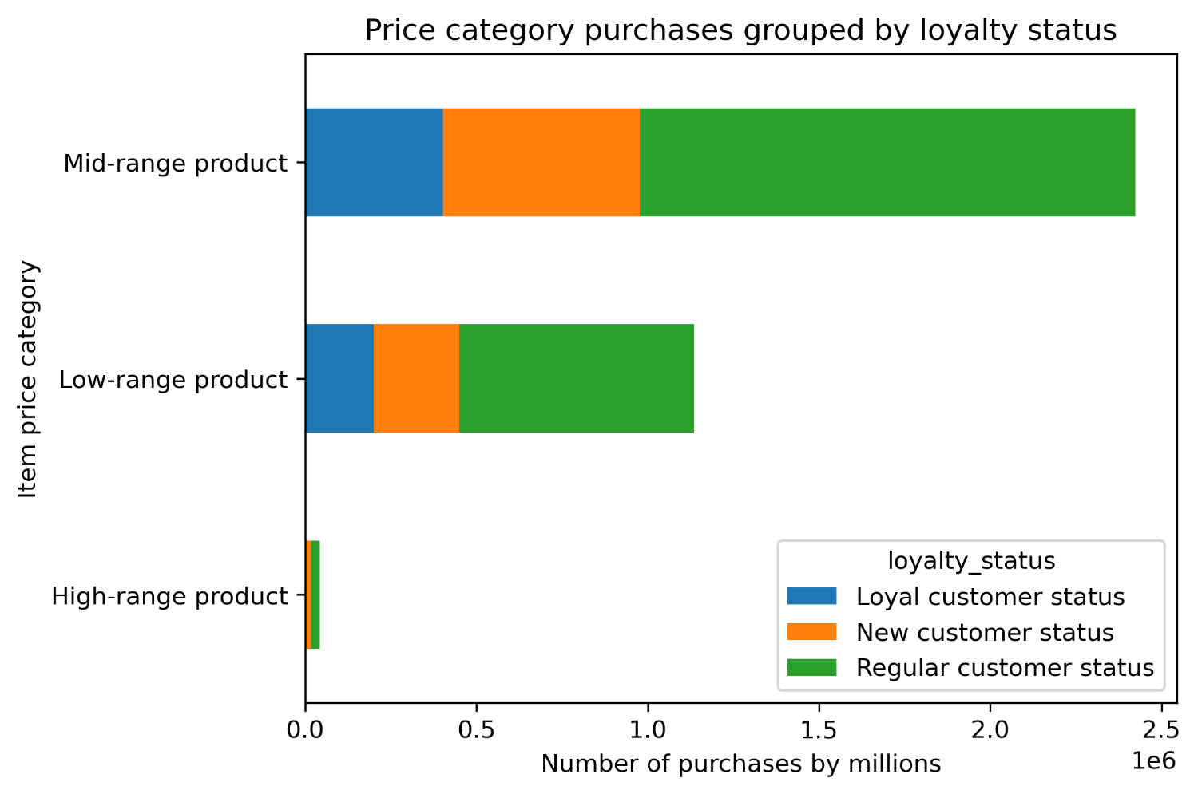
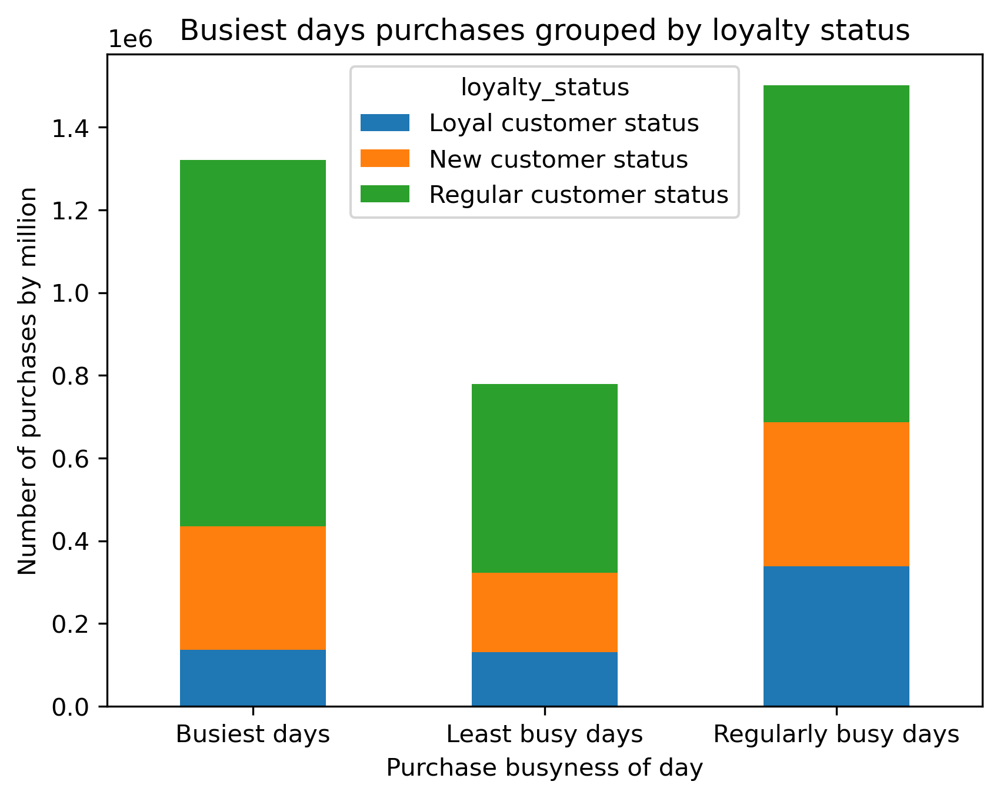
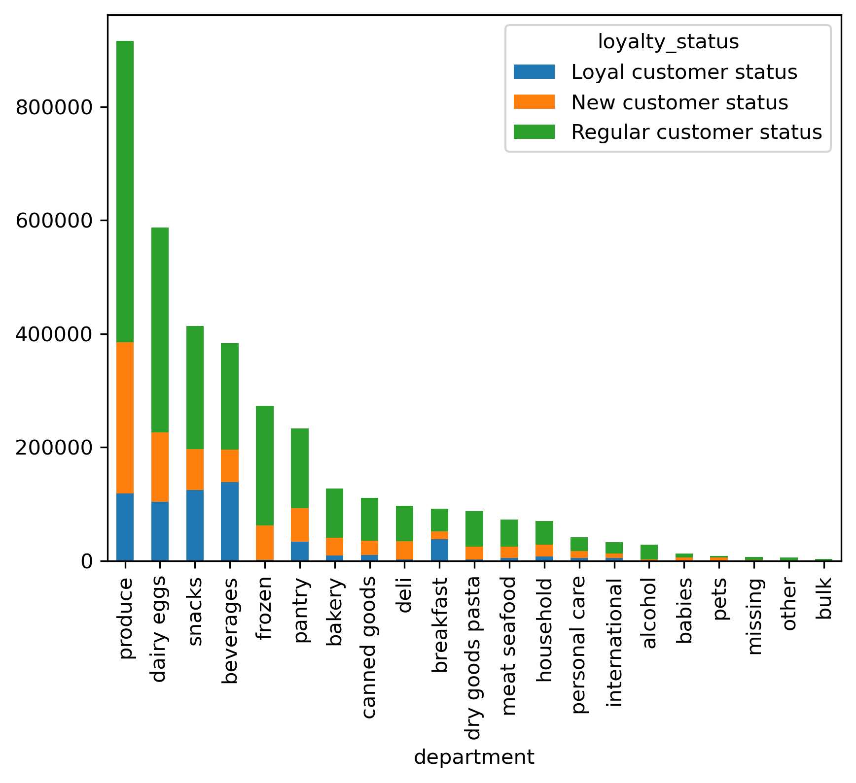
Title page

Visualisations

Customer information and distribution
a. Is there a connection between age and spending power? As age goes up, so does spending power (income).
b. What is the relationship between age and family size? There is no relationship between age and number of dependents.
c. What are customers loyalty status? Few are loyal customers (those with more than 40 orders) while most are regular customers between 11 - 40 orders.

a.
b.
c.
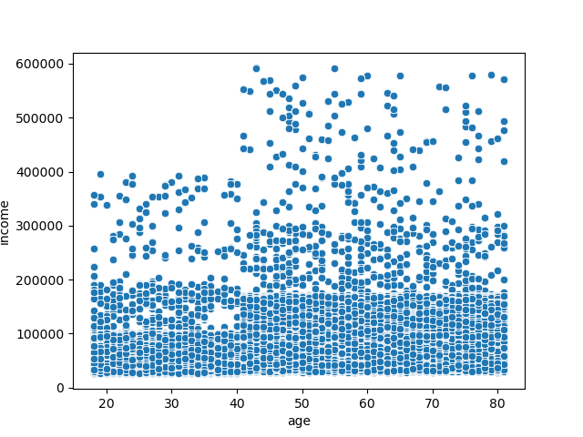
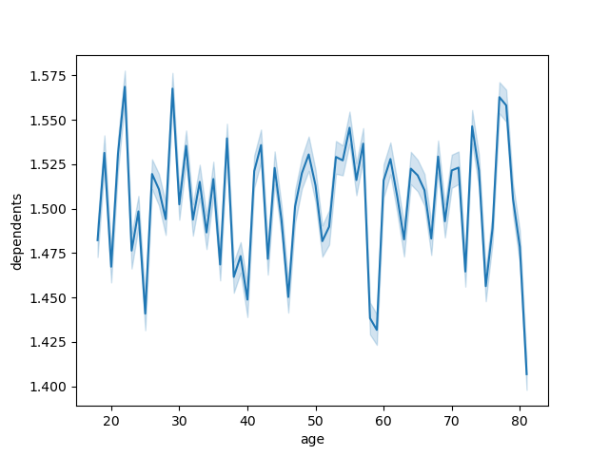
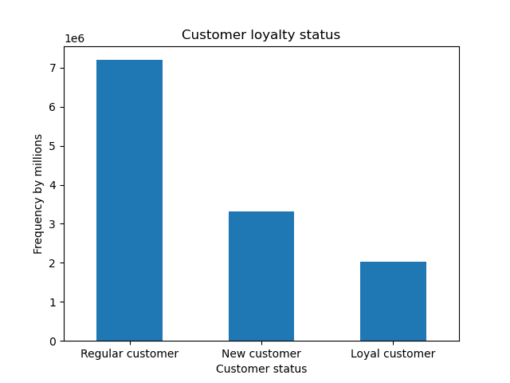

Expenditure
Expenditure
a. How does expenditure differ by time of day? Expenditure peaks around 2:00PM and 4:00PM
b. How does expenditure differ by day of week? Expenditure peaks on Wednesday, Friday, and Saturday

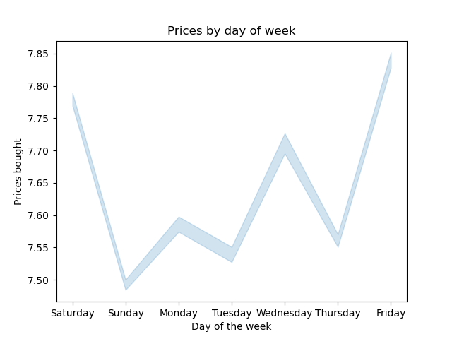
a.
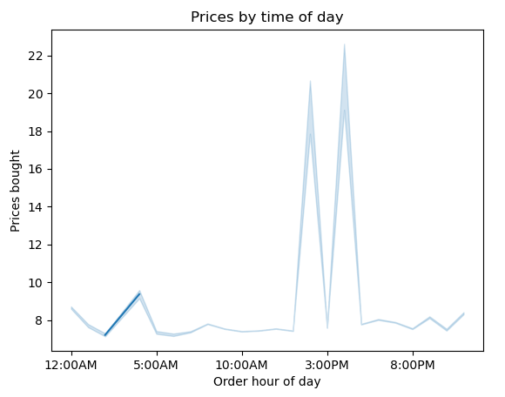
b.

Order frequency - busiest days and hours
a. What are sales by time of day? Orders peak at 11:00am with a prominent window from 9:00AM to 2:00PM.
b. What are sales by day of week? Orders peaks on Sundays and Saturdays and the least orders come on Wendesday.
c. Are certain products more popular than others? Yes, produce and dairy/eggs are the primary two categories with snacks and beverages closely behind.
d. What are simpler price range groupings that marketing and sales can use? Divide the products into low, mid, and high-range prices.

a.
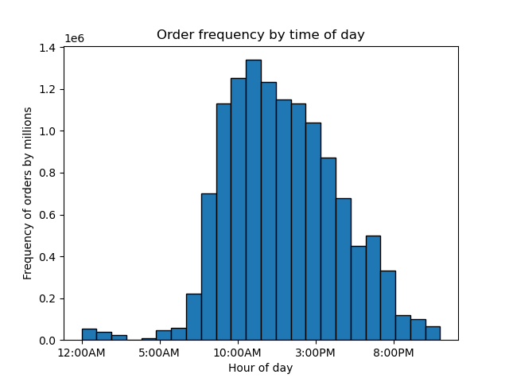
b.
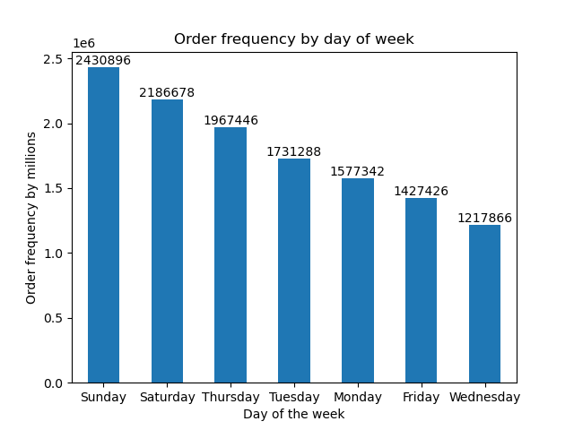
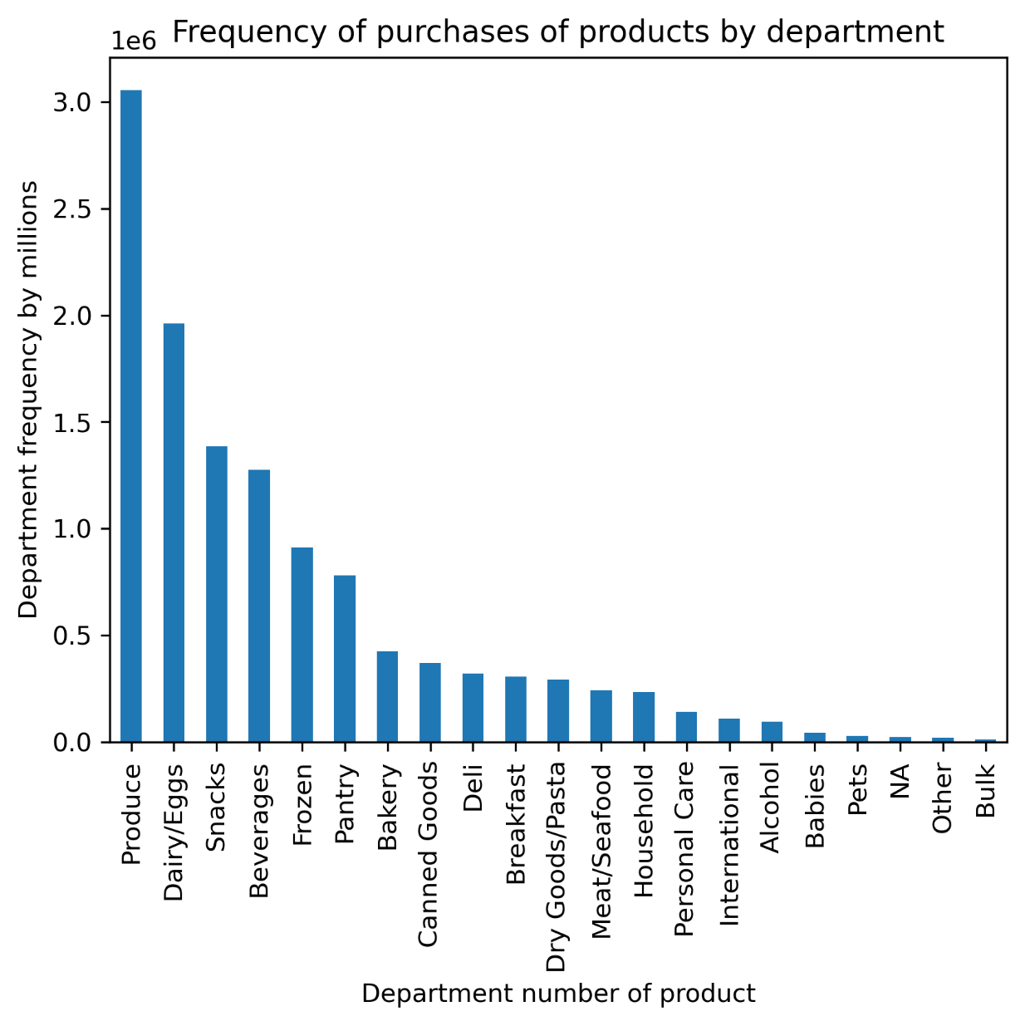
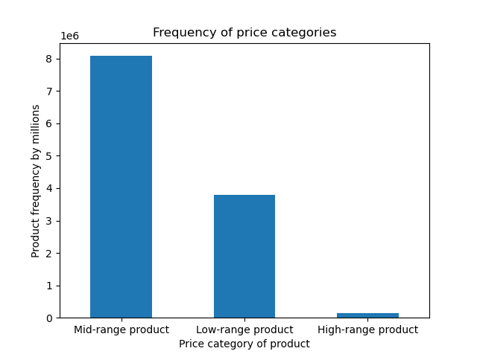

Customer Profile: Age groups
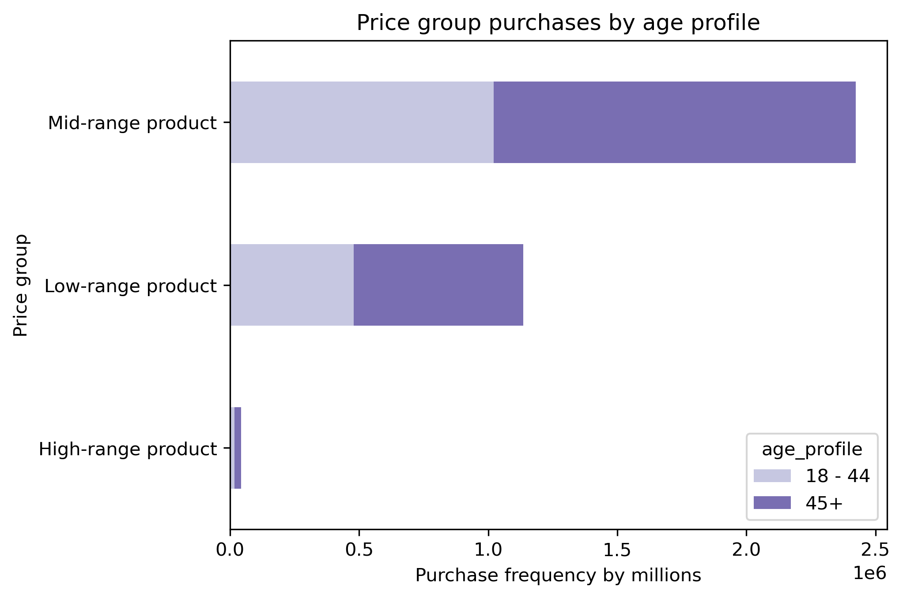
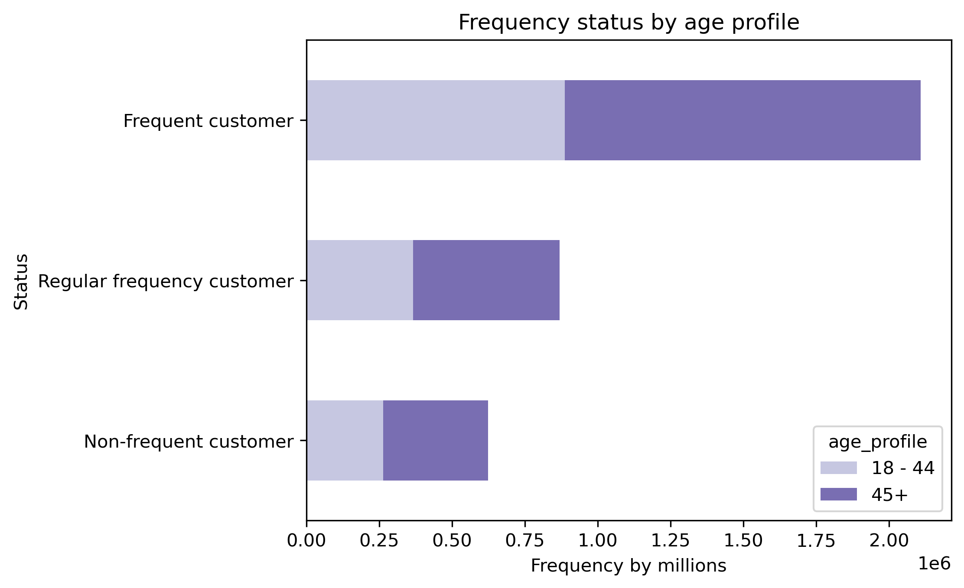
Those 45+ take up more of the customer base, yet they do not surpass those aged 18-44 by much within department purchases.
The popular departments of purchases remains similar across these two age groups regardless - produce, dairy/eggs, beverages, snacks, frozen, and pantry.

When looking at the median income of each age group, the median income went up substantially for those 45+, so I divided people into those two market age groups.

Ages were divided into groups by about 9 years each. 65+ is the largest group of customers taking up 1/4th of the market.

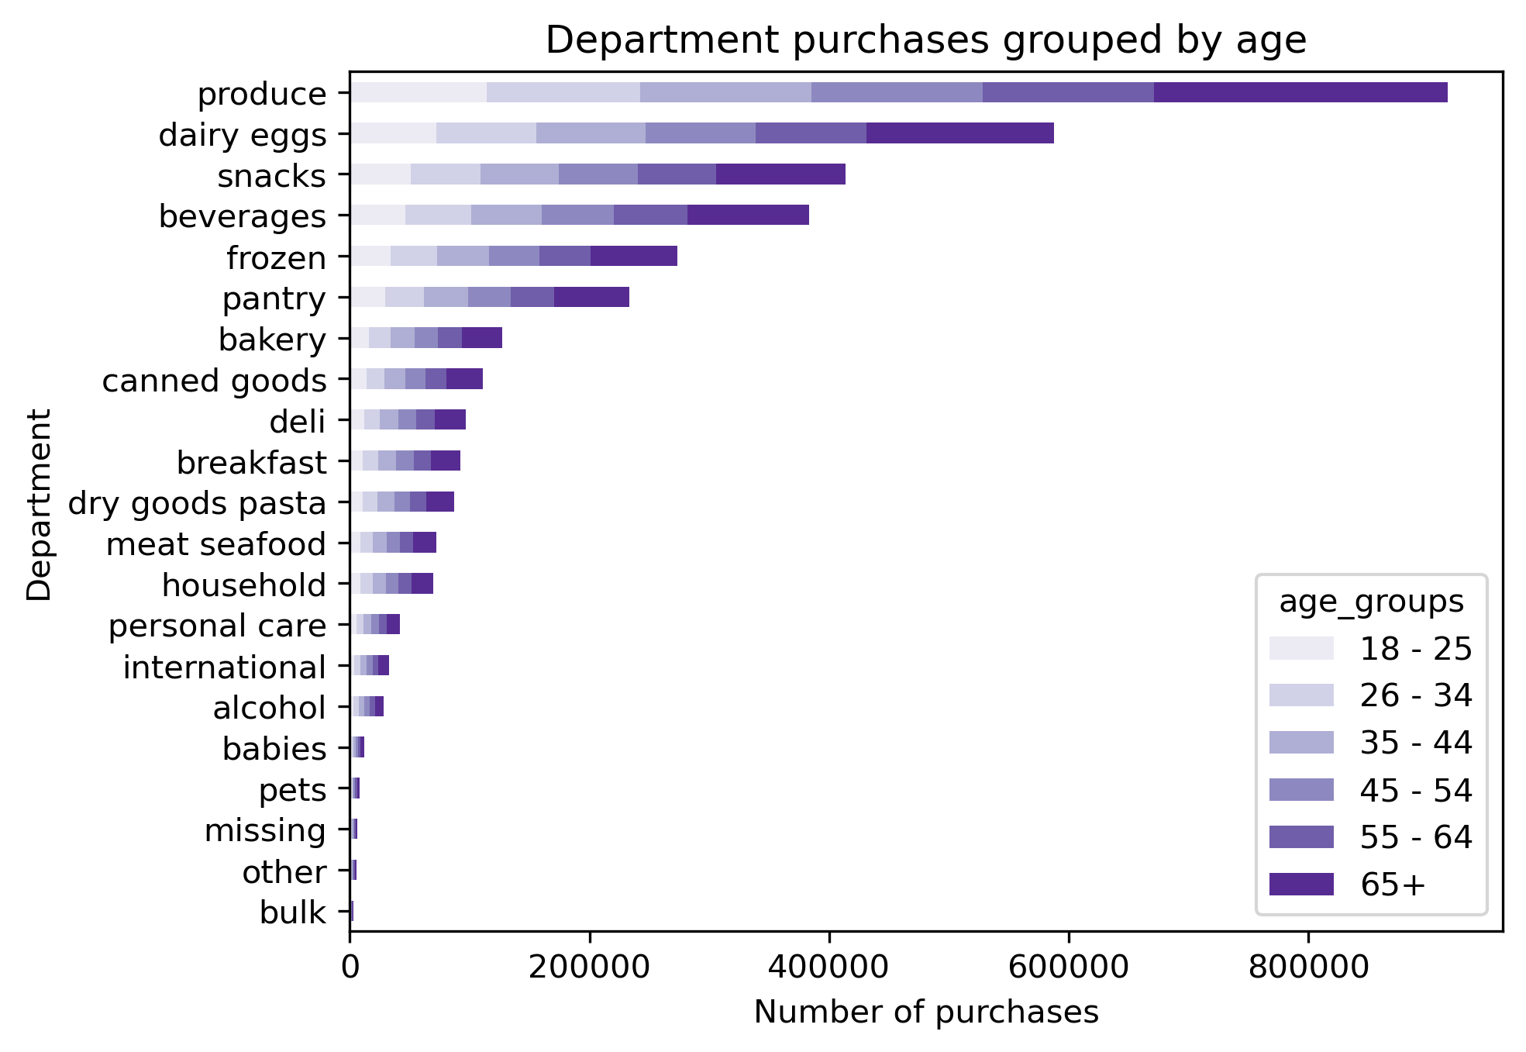

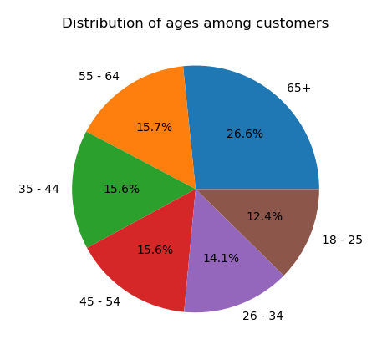
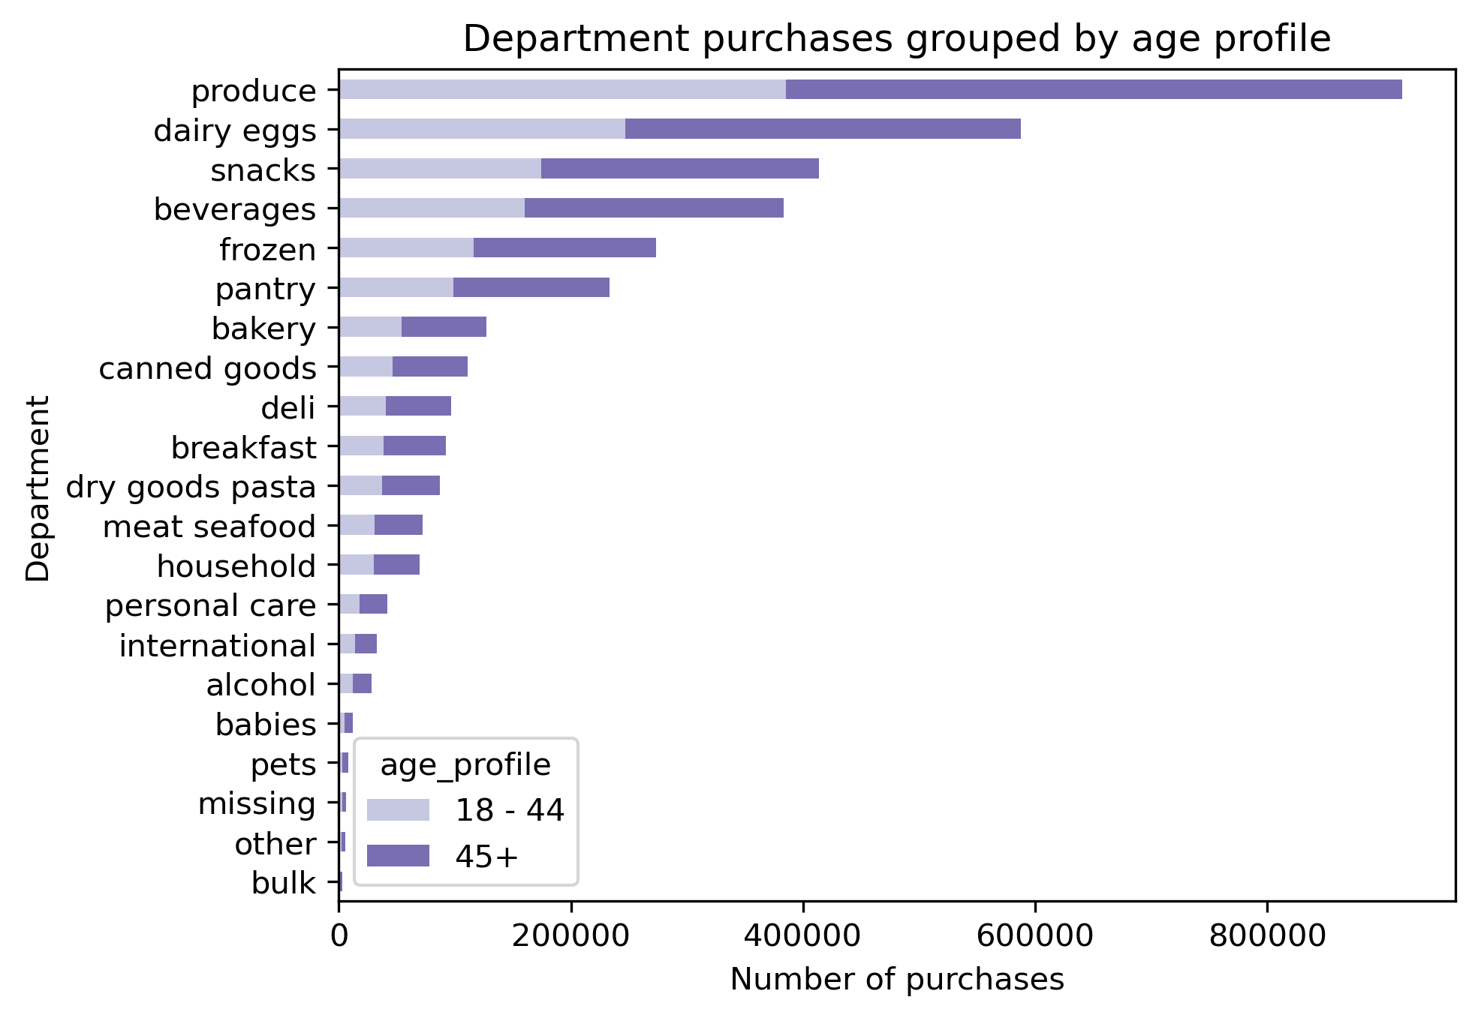

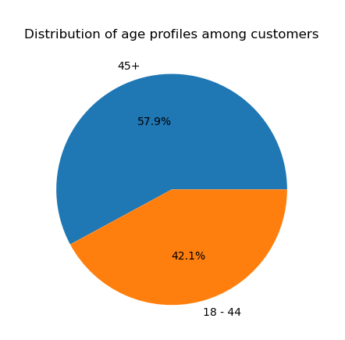
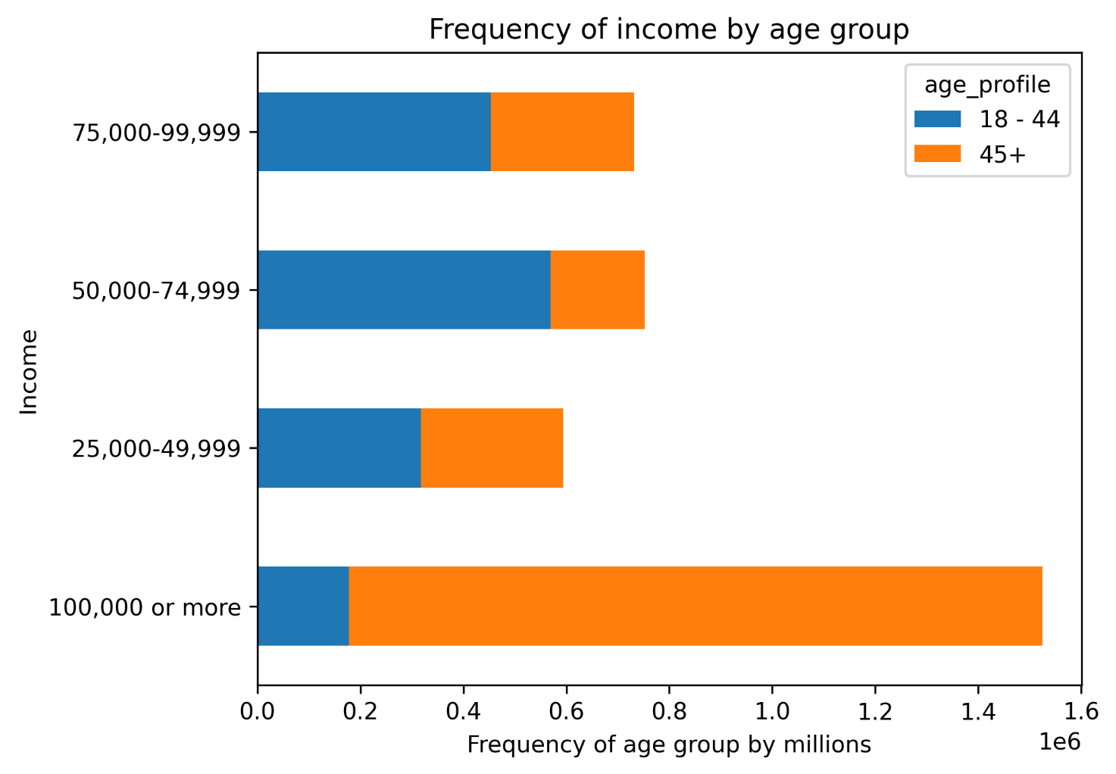

Customer Profile: Dependents and dependent status

Each group is proportionate in purchases to their proportion of the consumer base - those with dependents take up more purchases. Top departments take the same precedence.

The number of dependents from 0 - 3 take up the same amount of consumers.
When dividing dependents into a simpler group, dependent status, of whether someone has a dependent or not at all, 3 of 4 of the consumer base have dependents.

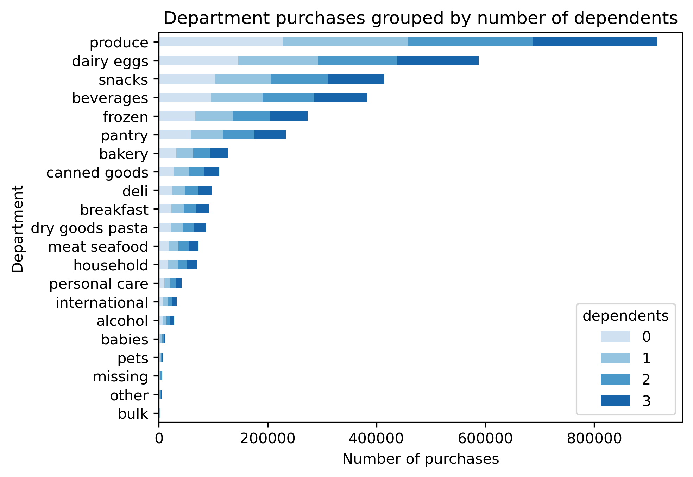

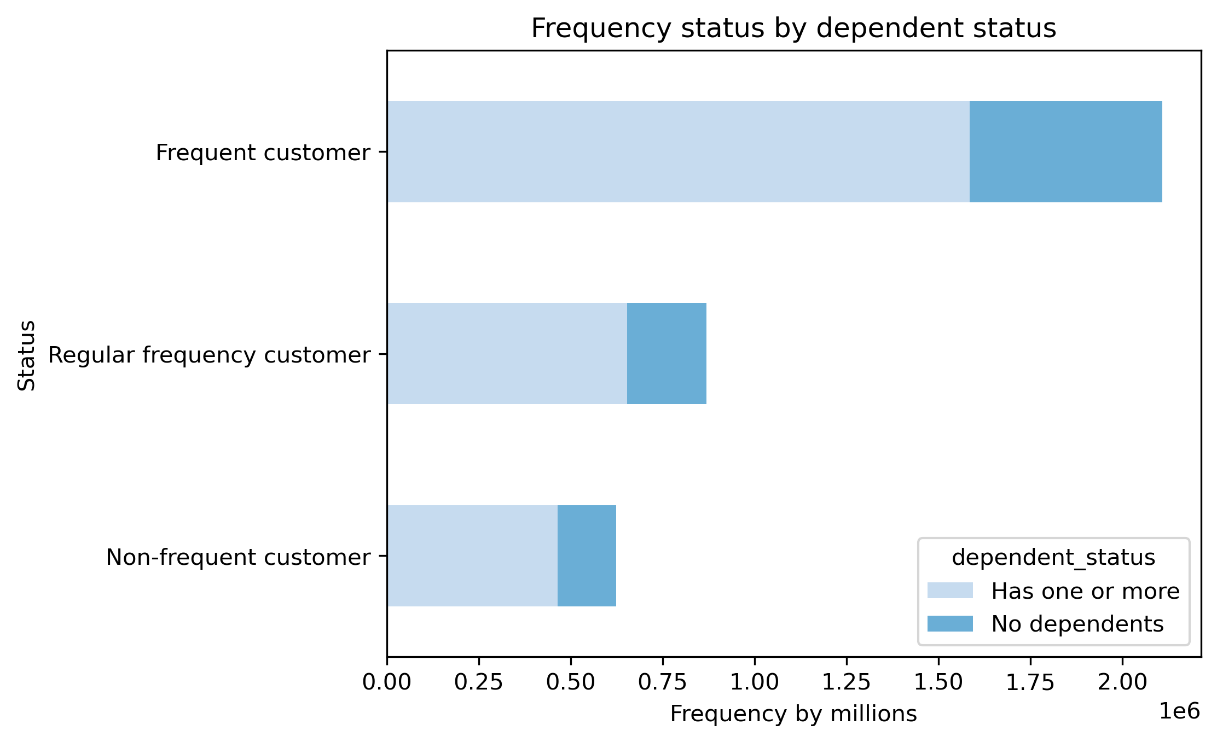

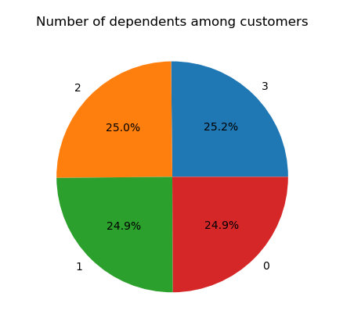

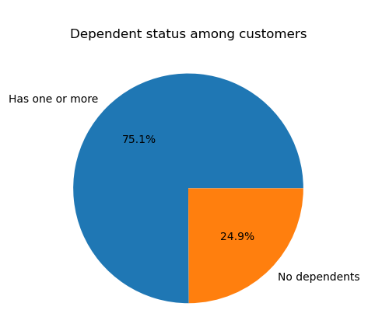
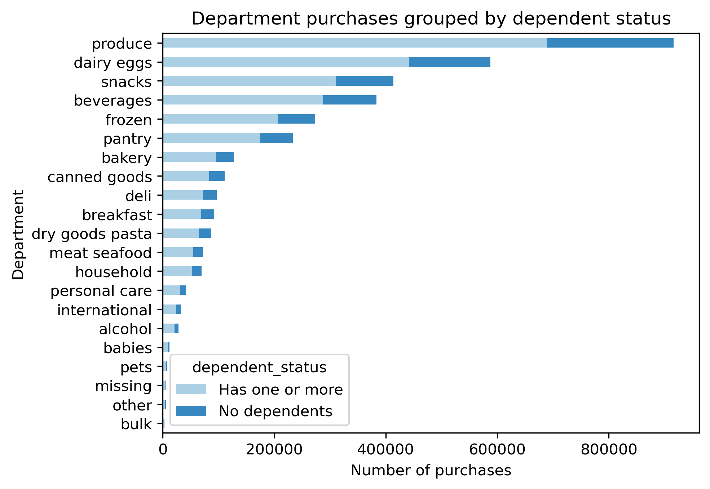
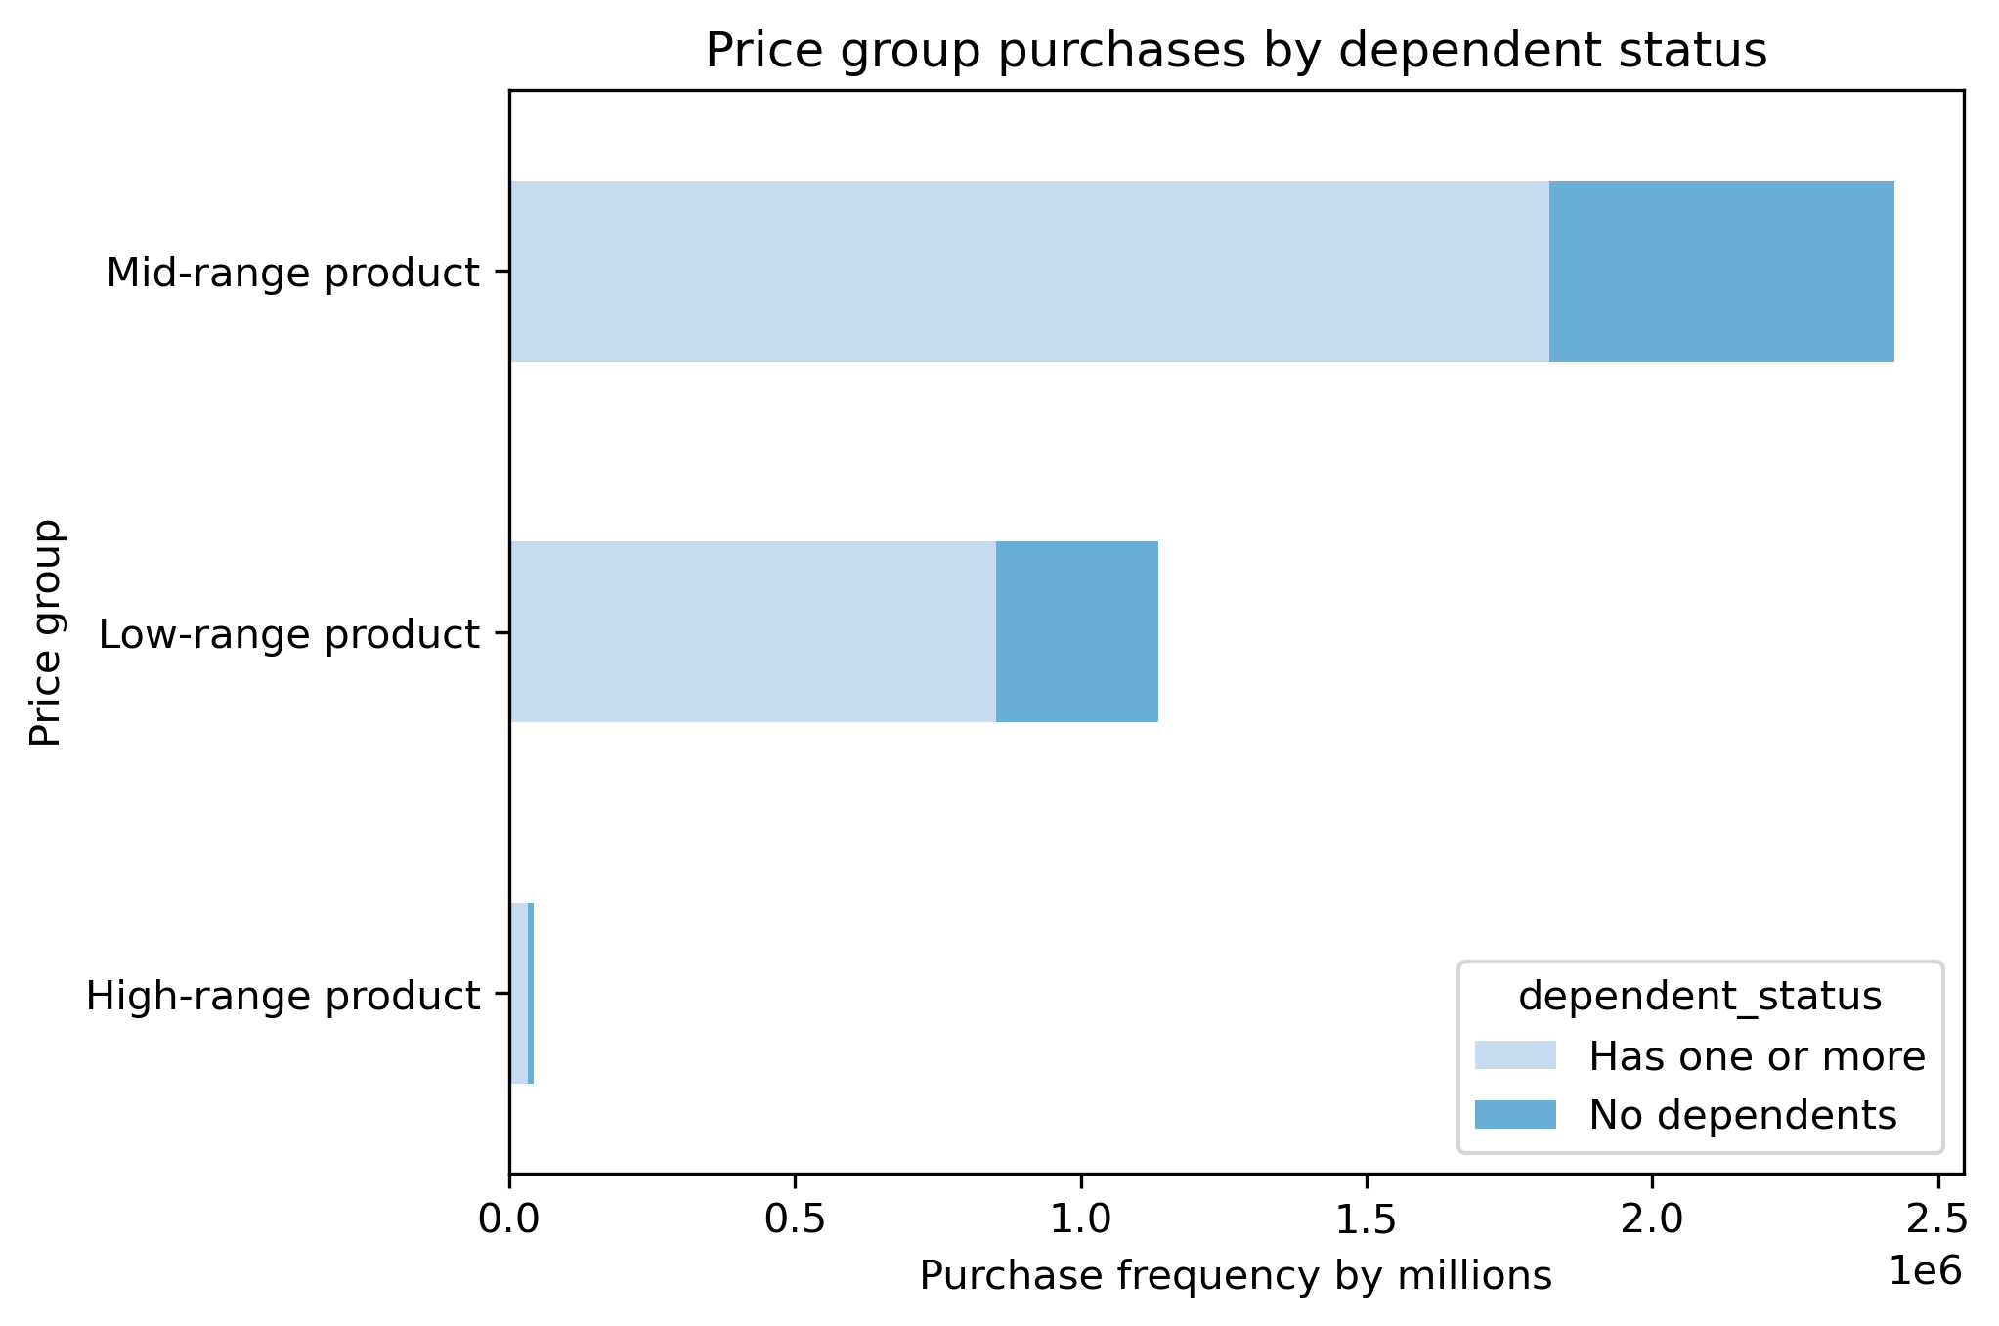

Customer Profile: Income
Members who make $100k+ take up more of the consumer base; therefore, they take up more orders among each department. No specific income group varies from the top departments.

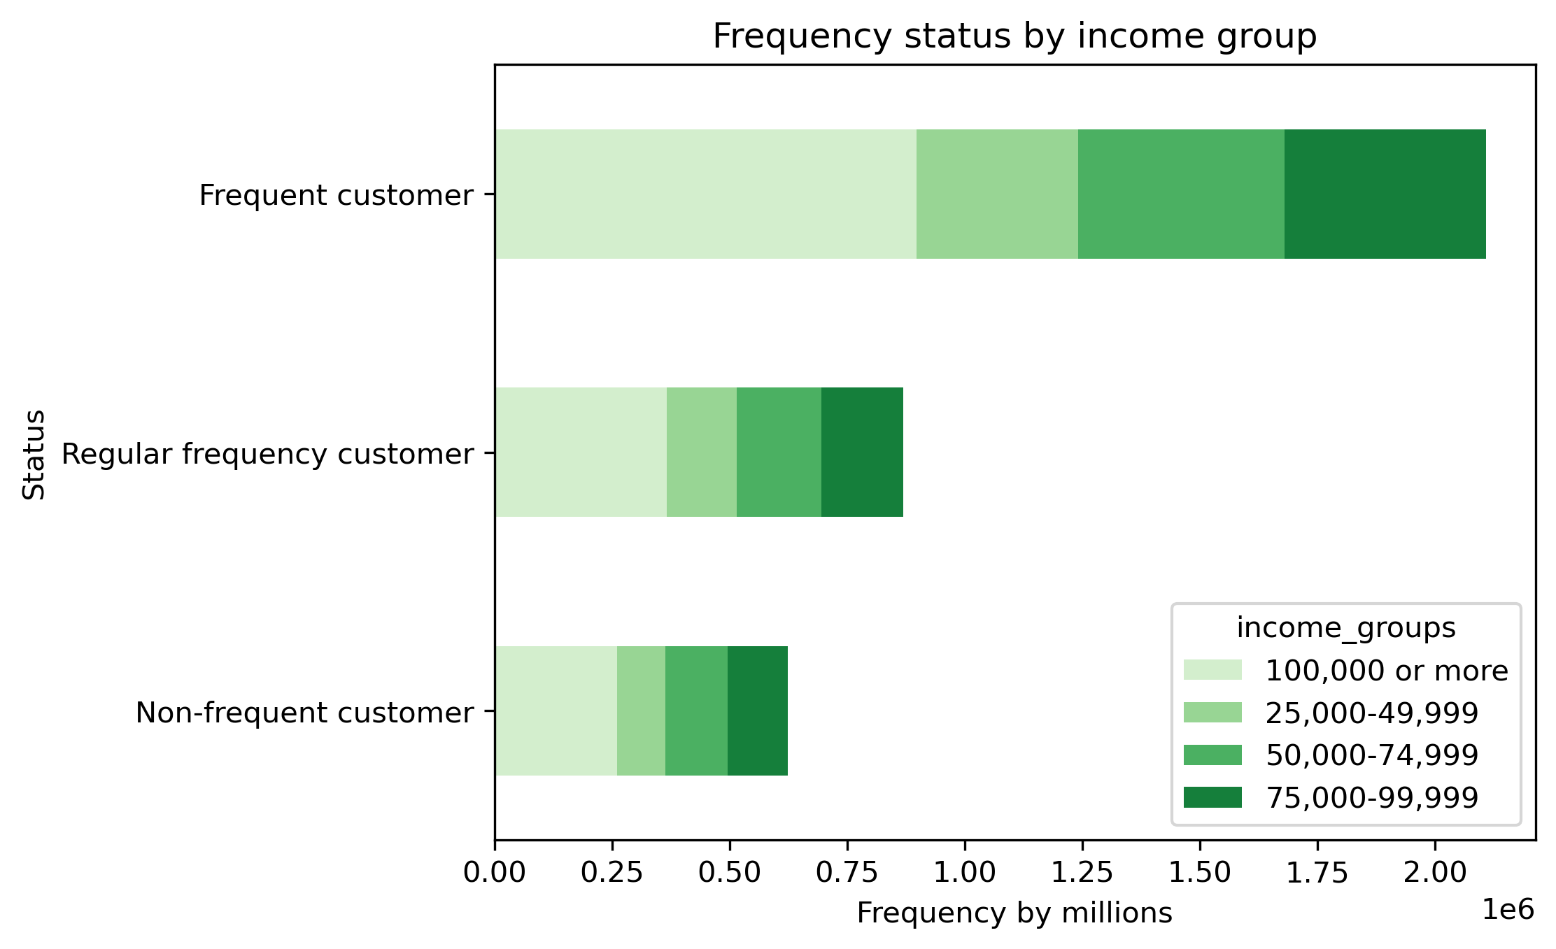
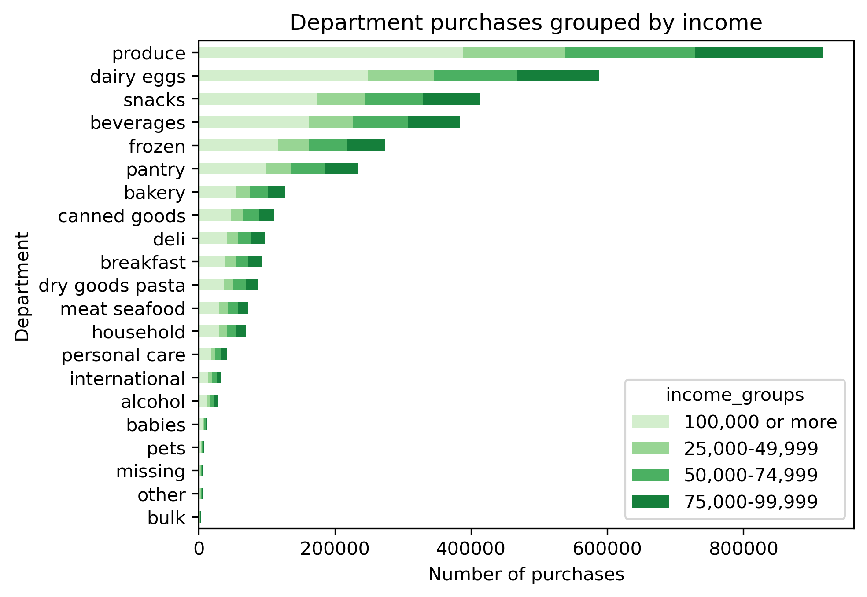
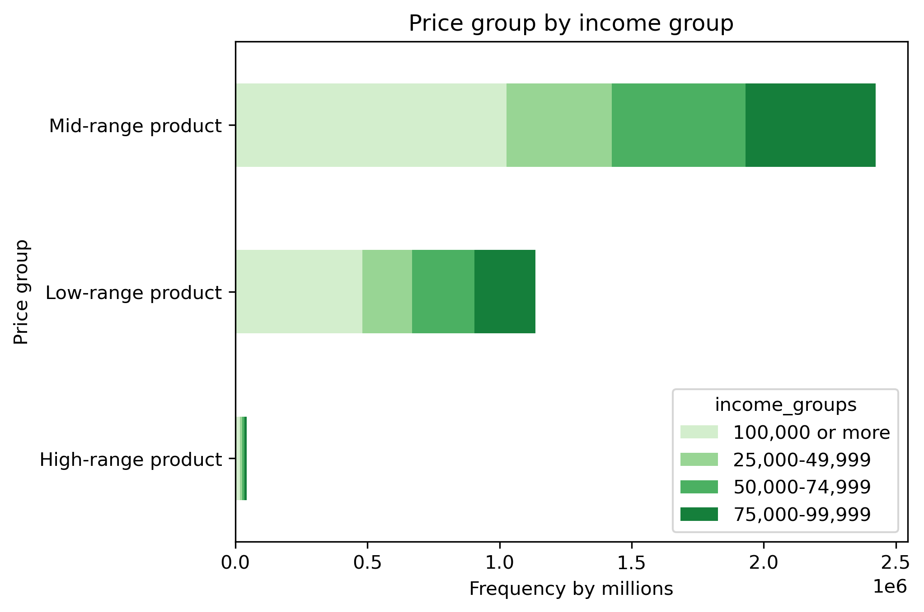
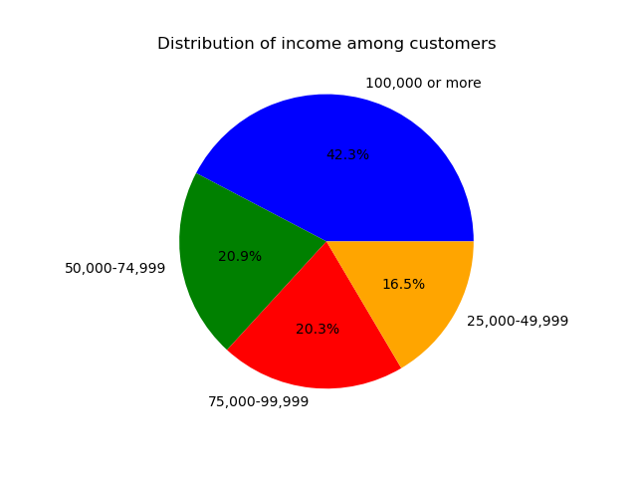

Customer Profile: Region
The majority of each customer profile exists in the South. Each customer profile mimics their existence as a whole, e.g. more customers are 65+.

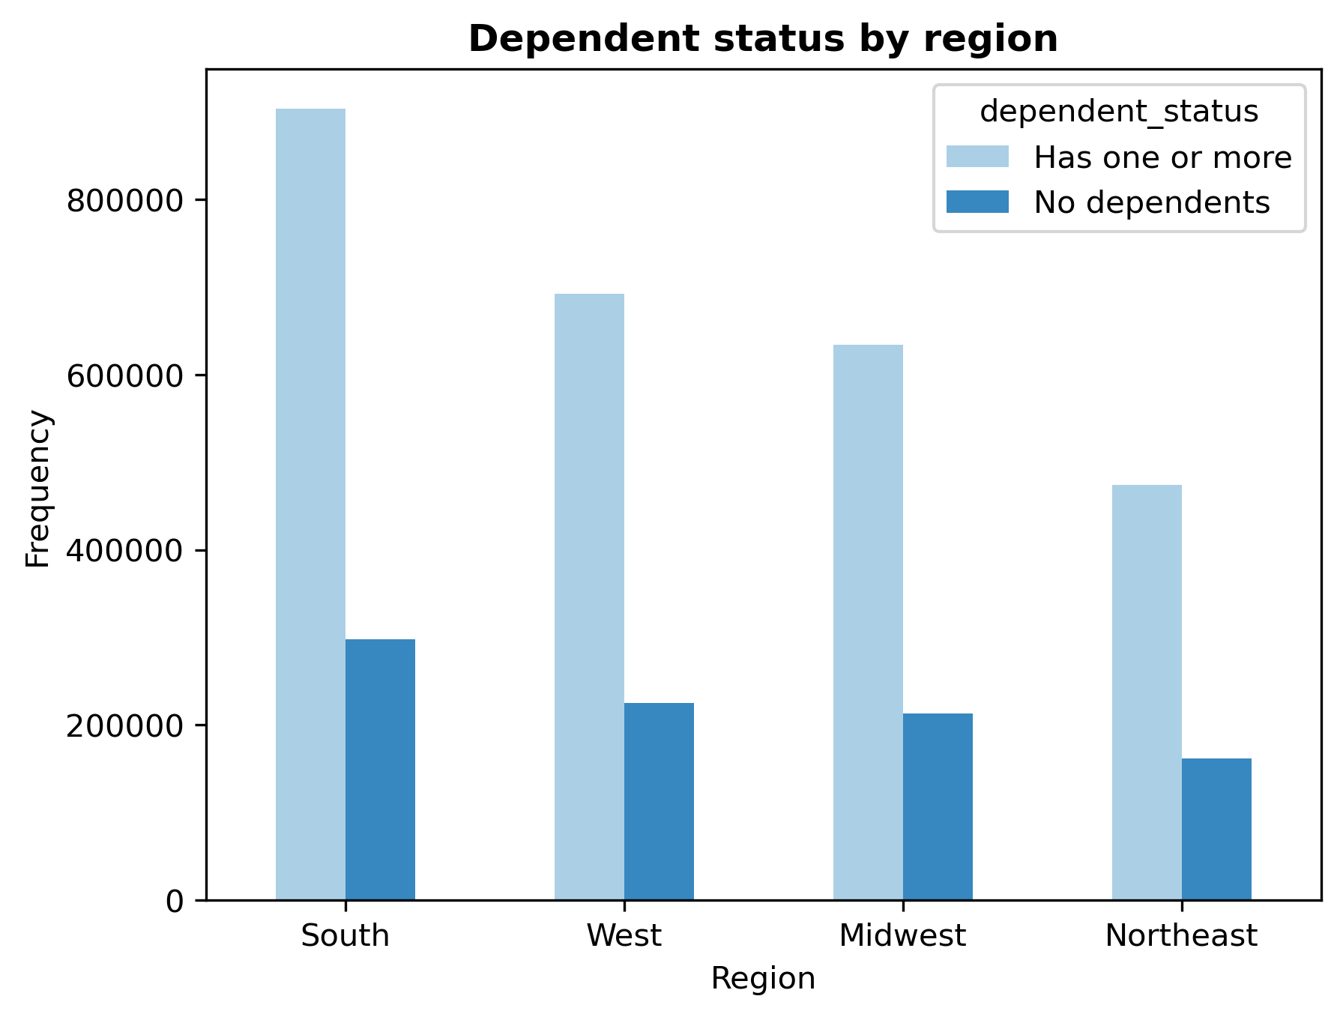
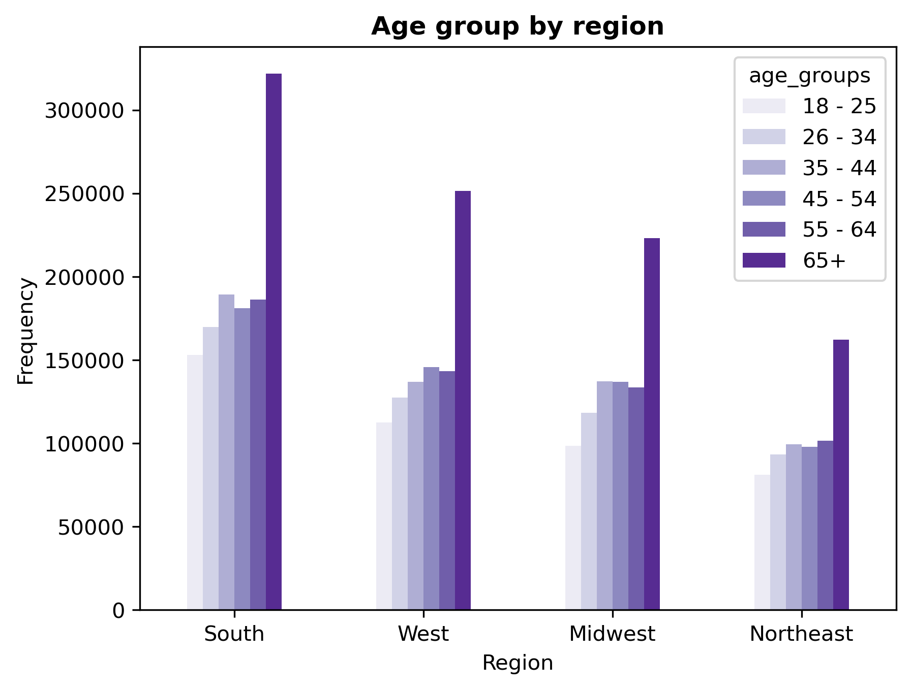
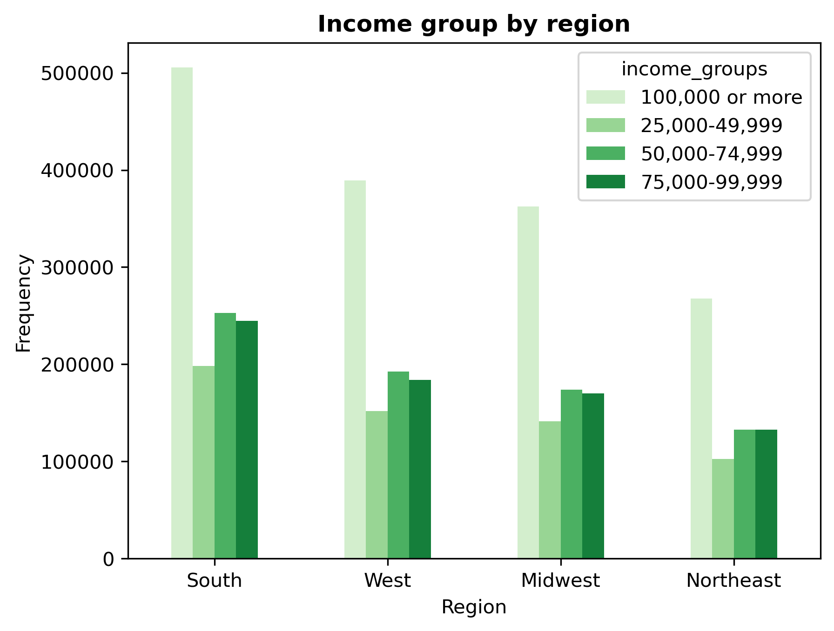
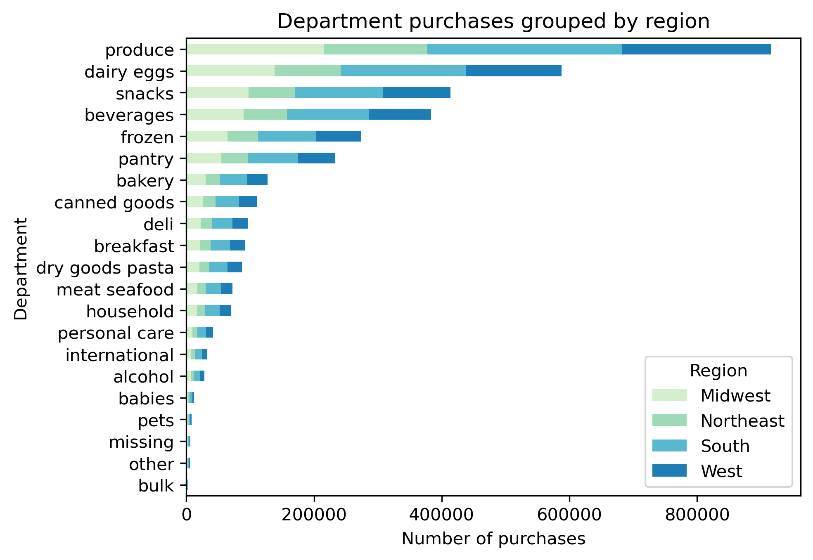
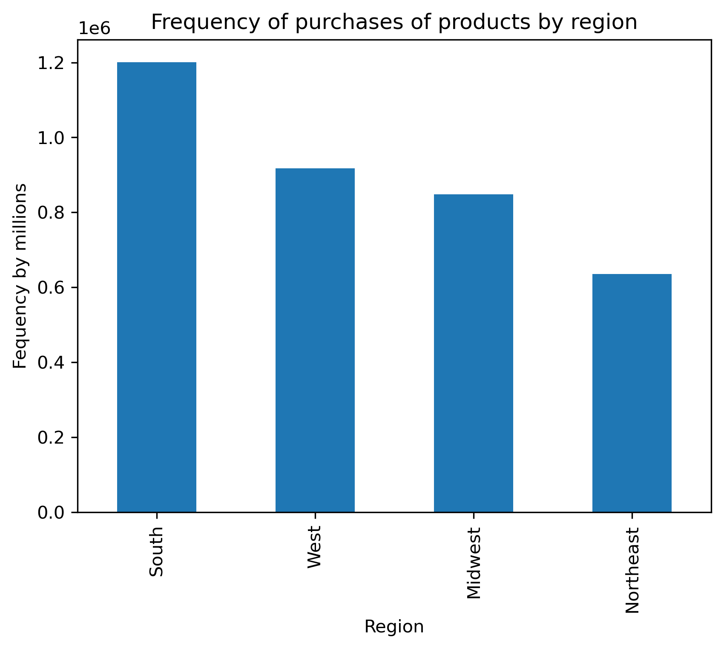
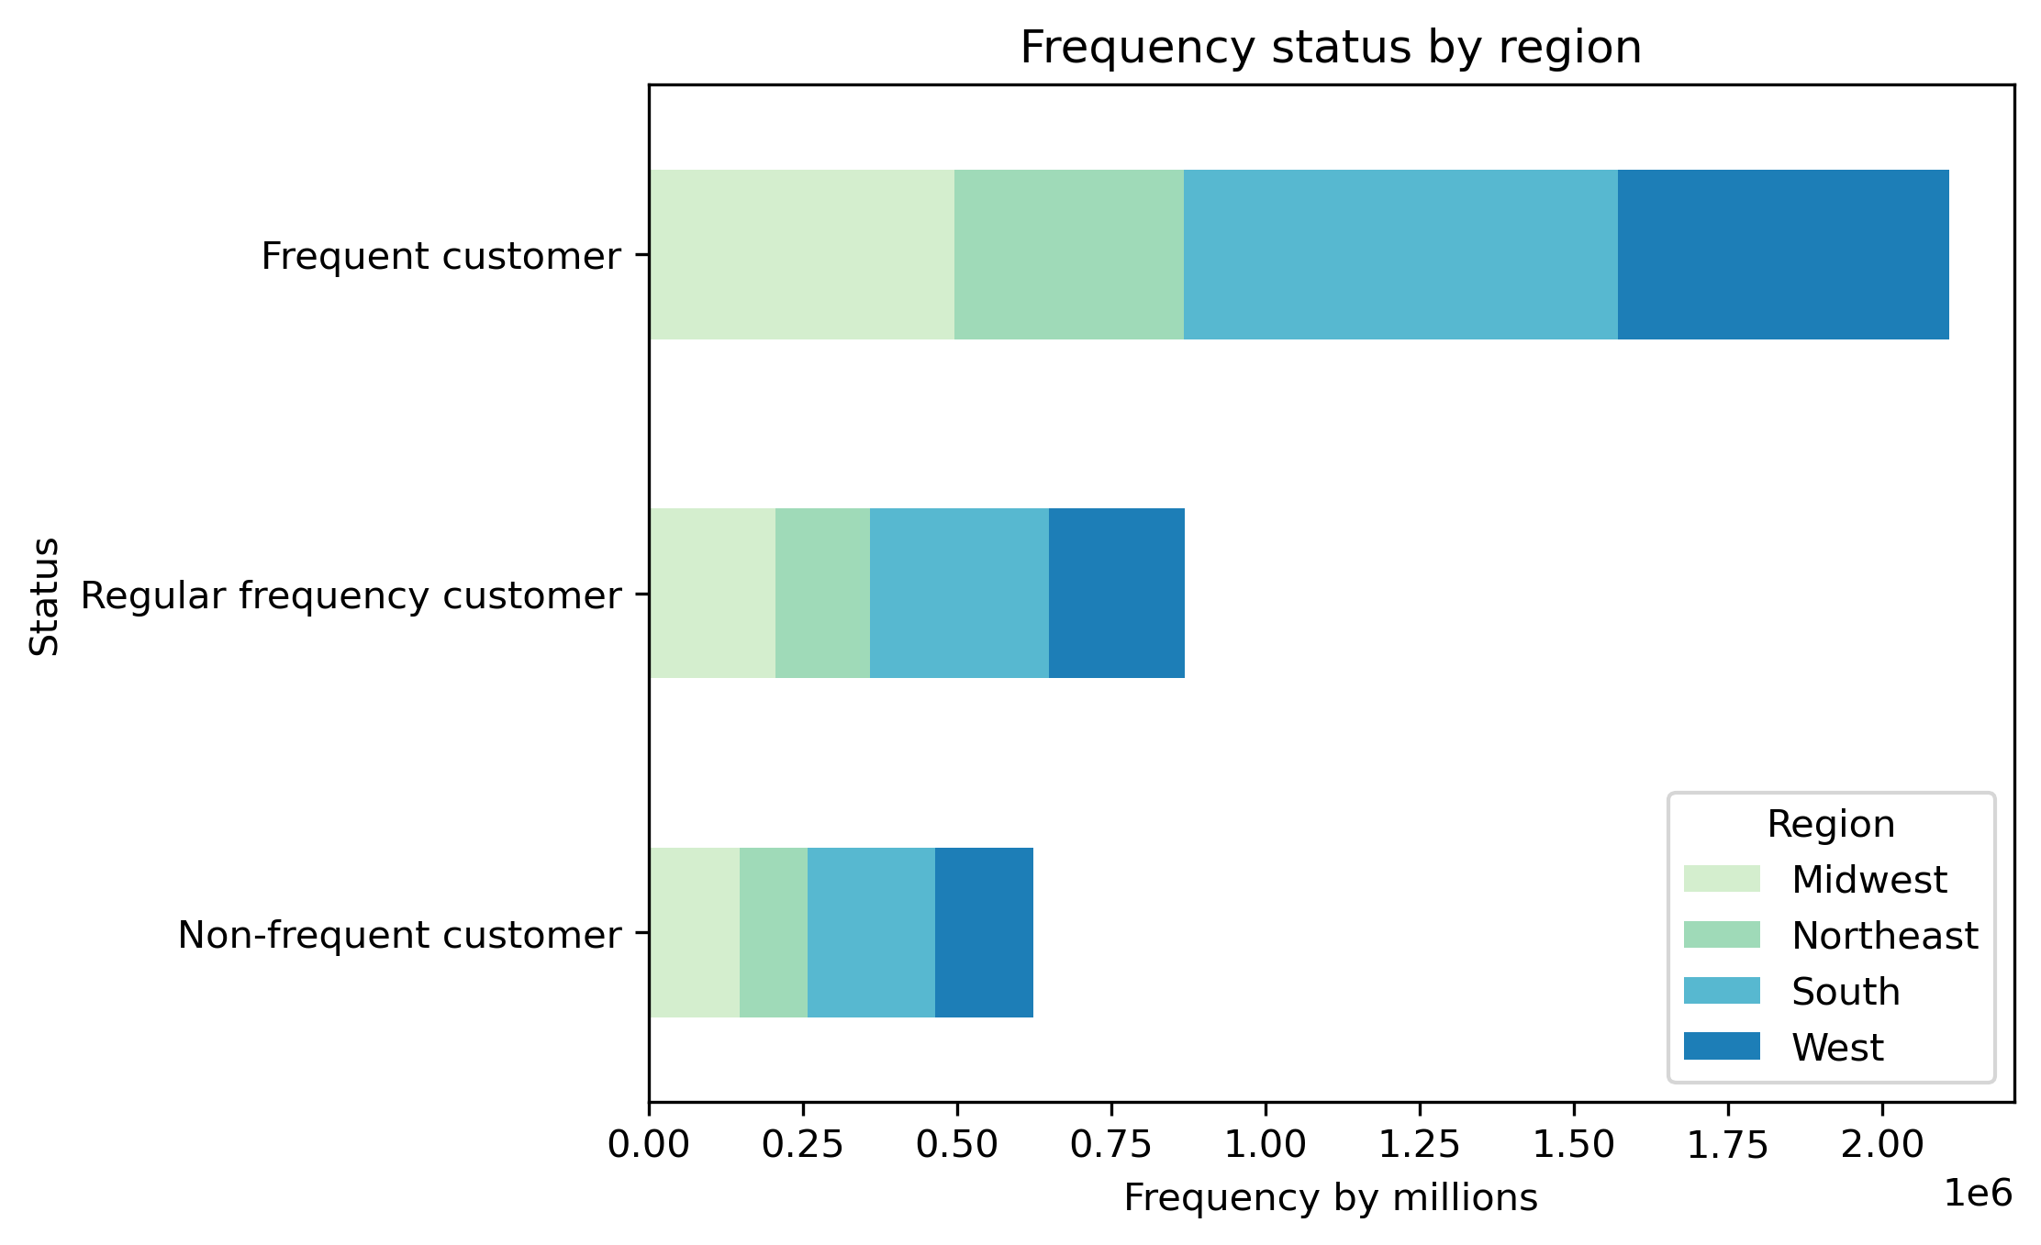

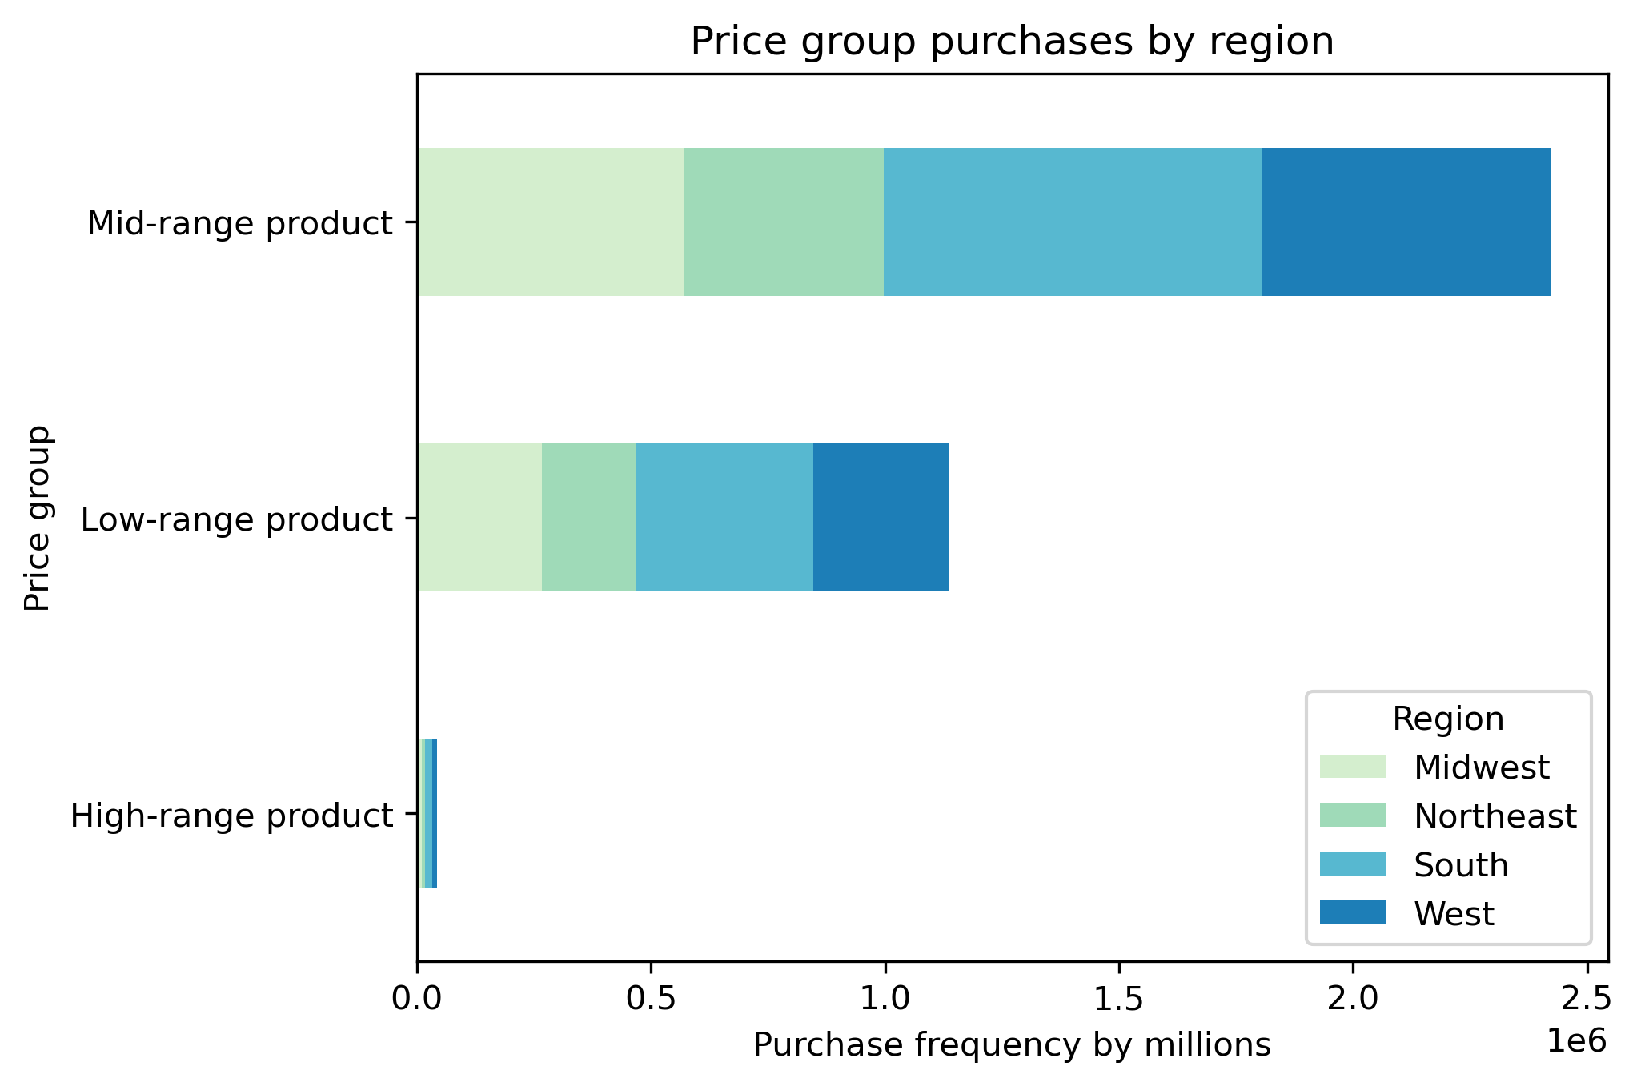

Loyal customers have different preferences of departments. Frozen is not as relevants nor are fresh foods. Loyal customers enjoy beverages, snacks, and breakfast as some popular categories more than the typical top departments.
Regular loyalty is the most prominent among customers. Between 11 - 40 orders.
As mid-range is the most popular product, members still buy low-range products too.
Loyal customers prefer regularly busy days compared to least busy and busiest days. Regular and customers shop most on regular and busy days.

7. Recommendations
Title page

Recommendations

In this tab you should include any recommendations you would made to Instcart in terms of their marketing strategy based on the questions posed in the brief. Every key question has been covered in the Tasks of the Exercises - here you need to add an item - a visualisation or table/crosstable that is showing the answer in the data, acompanied by a comment from you. Please, list the questions below and add the answer underneath.

Question One: What are the busiest days of the week and hours of the day?
Recommendation: Provide ads outside of the peak times. Outisde of peak includes 12:00 AM - 9:00 AM and 2:00PM - 12:00AM.
Consumers don't want to spend their weekend grocery shopping. A weekend purchase is most frequent on Friday and Saturday along with a mid-week kitchen stock-up on Wednesday.

Question Two: Are there times of the day when customers spend the most money?
Recommendation: For days of the week, offer ads before the weekend in order to maximize spending during the weekend.
For times of day, offer ads from 5:00am - 12:00pm leading up to the large spike in the middle of the day.

Question Three: Marketing and sales want to use simpler price range groupings
Recommendation: Products can be broken into three price groups - high-range, mid-range, and low-range. Mid-range products (between $5-$15) are the most popular by far, and they should be targeted within ads.

Question Four: Are certain products more popular than others?
Recommendation: Emphasize the ability to replace fresh food with Instacart. Consumers focus largely on produce and dairy/eggs - the foods that go bad most quickly.
Besides that, convenience foods for the family - beverages, pantry, snacks, and frozen are large contenders as well across all demographics.

Question Five: How do customers' ordering behaviors differ?
Recommendation: Behaviors do not differ based on their demographic group. The groups that take up a larger consumer market take up a proportionate amount of purchases, and it is worth understanding why there are more of these parts of the groups. These groups include - customers with dependents, customers making 100k+, 45+, and those in the South.
a. What's the distribution among users in regards to their brand loyalty?
Most are regular customers rather than loyal or new. There are a few options:
- Build the relationship with regular customers to uplift them to loyal customer status.
- Maintain loyal customers by building loyalty perks.
- Build the relationship with low-loyalty customers or those who aren't customers by making them regular customers.
b. Are there differences in ordering habits based on a customer's loyalty status?
- More loyal customers tend to shop on regularly busy days
- To maintain loyalty, suggest rewards for purchasing on non-busy days or the busiest days
- New and regular customers shop on regular and busy days.
- Either suggest loyalty perks on the given days they shop - regular and busy.
- Or increase purchases on least busy days by offering perks on those days
- Department interest differs among loyal customers. Those who shop frequently do not always need fresh department food. Rather they prefer beverages, snacks foremost, and breakfast is more popular than usual among them.
c. Are there differences in ordering habits based on a customer's region?
- No. Other than the fact that the South takes up the largest part of the market, there are no differentiating factors from existing customer profiles when considered by region. Additionally, there department purchases align with all customers' choices.
d. Is there a connection between age and family status in terms of ordering habits?
- No. As age increases, there is no clear relationship on the number of dependents a customer has.
- They do not differ in department purchases from the whole customer base.
- However, those with dependents (1 - 3 dependents) do take up a larger piece of the customer base than those without.
e. What different classifications does the demographic information suggest? Age? Income? Certain types of goods? Family Status?
- There are some clear patterns based on the demographic information
- Age - Those 65+ are the largest age group among customers. These are likely folks who struggle to get out and spend the time and energy shopping. Consider people at nursing homes or those who are retired. Additionally, with the recent pandemic, they likely do not want to risk getting Covid.
- Income: Those who make 100k+ are the most popular among customers. Incomes of $50,000 or less are the smallest income group among customers. Those with more spending income are able to pay more for the services of someone else grocery shopping and delivering for them.
** Note: As age goes up, so does income. It is not a coincidence that these two groups are the most prominent among income and age. If someone is older, the likelihood of them making over 100k+ increases. There may be a special way to target those who are older with more income for a certain loyalty status.
- Certain types of goods: It is clear most customers prefer to purchase fresh foods with Instacart - produce and dairy/eggs. After that, they like to re-stock their pantry and freezer (snacks, beverages, frozen, and pantry). Department/house products are less frequent purchases.
- Family status: Those with dependents use Instacart more than those without dependents (it does not matter on how many dependents). These customers likely have less time for shopping and find ease in having their grocery shopping handled for the
f. What difference can you find in ordering habits of different customer profiles? Consider the price of orders, frequency of orders, the products customers are ordering, and anything else important.
- All groups follow the same patterns of population - frequent customers, mid-range produts, and fresh department products. These are the products, frequency, and departments to focus on most or understand further.

